Input-output
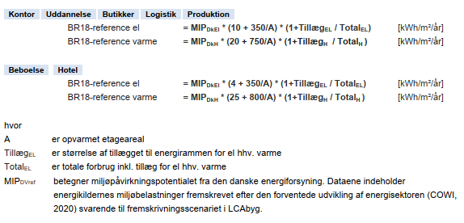
 | Input værdier: | AKTUEL BYGNING |  |  |  |  | REFERENCE BYGNING
Start year | 2018 | Drift i aktuelle bygning |  | B6 |  |  | Referenceværdi for drift |  | B6 |  |  |  | Fra DGNB 2020 manulen
Duration | 50 | GWP | Utility 1 (El) | 11290.57 | kg CO2-ækv |  | GWP | Utility 1 (El) | 3886.64 | kg CO2-ækv
Building type | Bolig-parcelhus |  | Utility 2 (Fjernvarme) | 46711.27 |  |  |  | Utility 2 (Fjernvarme) | 20243.34
gross area | 184 |  | Sum | 58001.84 |  |  |  | Sum | 24129.98
heated floor area | 179 | POCP | Utility 1 (El) | 5.36 | kg C2H4-ækv |  | POCP | Utility 1 (El) | 1.85 | kg C2H4-ækv
electricity usage | 17.3 |  | Utility 2 (Fjernvarme) | 28.46 |  |  |  | Utility 2 (Fjernvarme) | 12.33
heating usage | 68 |  | Sum | 33.82 |  |  |  | Sum | 14.18
electricity production | 0 | AP | Utility 1 (El) | 51.81 | kg So2-ækv |  | AP | Utility 1 (El) | 17.83 | kg So2-ækv
electricity supplement | 0 |  | Utility 2 (Fjernvarme) | 283.29 |  |  |  | Utility 2 (Fjernvarme) | 122.77
heating supplement | 0 |  | Sum | 335.10 |  |  |  | Sum | 140.60
electricity utility | El projection | EP | Utility 1 (El) | 11.49 | PO43--ækv |  | EP | Utility 1 (El) | 3.95 | PO43--ækv
heating utility | Heating projection |  | Utility 2 (Fjernvarme) | 59.90 |  |  |  | Utility 2 (Fjernvarme) | 25.96
 |  |  | Sum | 71.39 |  |  |  | Sum | 29.91
Gældende for version | 5.1.0.14 og 5.2.1.0 + DGNB | ADPf | Utility 1 (El) | 115630.78 | MJ |  | ADPf | Utility 1 (El) | 39804.44 | MJ
 |  |  | Utility 2 (Fjernvarme) | 445203.07 |  |  |  | Utility 2 (Fjernvarme) | 192938.40
 |  |  | Sum | 560833.85 |  |  |  | Sum | 232742.84
 |  | Petot | Utility 1 (El) | 1045647.21 | MJ |  | Petot | Utility 1 (El) | 359950.89 | MJ
 |  |  | Utility 2 (Fjernvarme) | 2844328.62 |  |  |  | Utility 2 (Fjernvarme) | 1232651.45
 |  |  | Sum | 3889975.82 |  |  |  | Sum | 1592602.34

Hentet fra projektet
 |  | Aktuelle bygning | Bygningsdele | Drift | Total |  | Reference | Reference | Bygningsdele | Drift | Total
 |  |  | A1-3, B4, C3-4 | B6 | A1-3, B4, B6, C3-4 |  |  | per m2 år | A1-3, B4, C3-4 | B6 | A1-3, B4, B6, C3-4
 |  | GWP | 91959.486703 | 58001.835 | 149961.322 | kg CO2-ækv | GWP | 9.191 | 84557.2 | 24129.976 | 108687.176 | kg CO2-ækv
 |  | POCP | 70.54616451 | 33.824 | 104.370 | kg C2H4-ækv | POCP | 0.00472 | 43.424 | 14.18 | 57.604 | kg C2H4-ækv
 |  | AP | 155.62221708 | 335.099 | 490.721 | kg So2-ækv | AP | 0.0233 | 214.36 | 140.60 | 354.965 | kg So2-ækv
 |  | EP | 25.222221766 | 71.387 | 96.609 | PO43--ækv | EP | 0.00315 | 28.98 | 29.91 | 58.893 | PO43--ækv
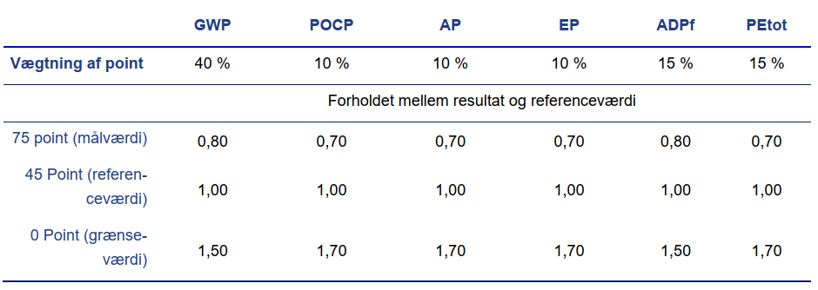
 |  | ADPf | 969185.60502 | 560833.850 | 1530019.455 | MJ | ADPf | 93.7 | 862040 | 232742.84 | 1094782.840 | MJ
 |  | Petot | 1553091.97 | 3889975.822 | 5443067.795 | MJ | Petot | 139.32 | 1281744 | 1592602.34 | 2874346.340 | MJ
 |  | Petot | 431414.44 | 1080548.839 | 1511963.276 | kWh | Petot | 38.7 | 356040 | 442389.53889 | 798429.539 | kWh

 |  |  | Pointberegning | Ratio | DGNB score |  |  | Aktuel bygning |  | Reference bygning
 |  |  |  | A1-3, B4, B6, C3-4 |  |  |  | Bygningsdele | Drift | Bygningsdele | Drift
 |  |  |  | % |  |  |  | A1-3, B4, C3-4 | B6 | A1-3, B4, C3-4 | B6
 |  |  | GWP | 137.98% | 10.82 |  | GWP | 9.996 | 6.481 | 9.191 | 2.696 | kg CO2-ækv
 |  |  | POCP | 181.18% | 0.00 |  | POCP | 0.008 | 0.004 | 0.005 | 0.002 | kg C2H4-ækv
 |  |  | AP | 138.25% | 20.41 |  | AP | 0.017 | 0.037 | 0.023 | 0.016 | kg So2-ækv
 |  |  | EP | 164.04% | 3.83 |  | EP | 0.003 | 0.008 | 0.003 | 0.003 | PO43--ækv
 |  |  | ADPf | 139.76% | 9.22 |  | ADPf | 105.346 | 62.663 | 93.700 | 26.005 | MJ
 |  |  | Petot | 189.37% | 0.00 |  | Petot | 168.814 | 434.634 | 139.320 | 177.944 | MJ
 |  |  |  | Point Score | 8.14 |  | Petot | 46.893 | 120.732 | 38.700 | 49.429 | kWh
 |  |  |  | Klimabonus | 0.00

